Q1
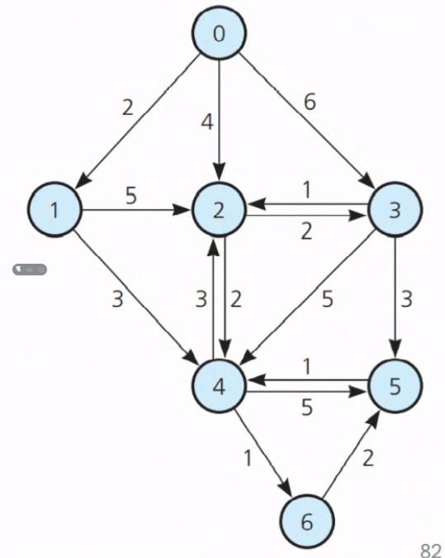
Step | v | vertexSet | 0 | 1 | 2 | 3 | 4 | 5 | 6
1 | x | 0 | 0 | 2 | 4 | 6 | x | x | x
2 | 1 | 0 1 | 0 | 2 | 4 | 6 | 5 | x | x
3 | 4 | 0 1 4 | 0 | 2 | 4 | 6 | 5 | 10 | 6
4 | 6 | 0 1 4 6 | 0 | 2 | 4 | 6 | 5 | 8 | 6
5 | 5 | 0 1 4 6 5 | 0 | 2 | 4 | 6 | 5 | 8 | 6

Q2
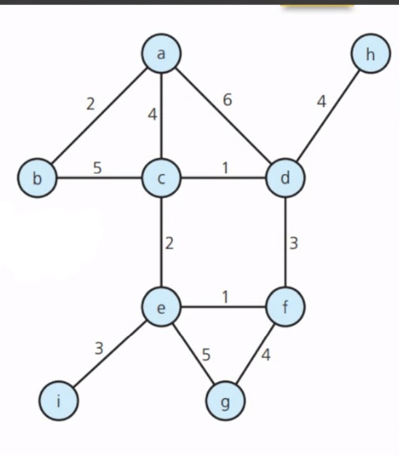
Step | v | vertexSet | a | b | c | d | e | f | g | h
1 | x | a | 0 | 2 | 4 | 6 | x | x | x | x
2 | b | a b | 0 | 2 | 4 | 6 | x | x | x | x
3 | c | a c | 0 | 2 | 4 | 5 | 6 | x | x | x
4 | d | a c d | 0 | 2 | 4 | 5 | 6 | 8 | x | 9
5 | e | a c e | 0 | 2 | 4 | 6 | 6 | 7 | 11 | x
6 | f | a c e f | 0 | 2 | 4 | 6 | 6 | 7 | 11 | x
7 | g | a c e f g | 0 | 2 | 4 | 6 | 6 | 7 | 11 | x

Q3
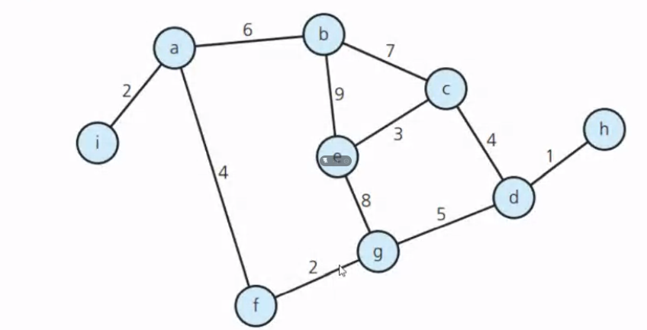
Step | v | vertexSet | a | b | c | d | e | f | g | h | i
1 | x | a | 0 | 6 | x | x | x | 4 | x | x | 2
2 | i | a i | 0 | 6 | x | x | x | 4 | x | x | 2
3 | f | a f | 0 | 6 | x | x | x | 4 | 6 | x | 2
4 | g | a f g | 0 | 6 | x | 11 | 14 | 4 | 6 | x | 2
5 | b | a b | 0 | 6 | 13 | x | 15 | 4 | x | x | 2
6 | c | a b c | 0 | 6 | 13 | 17 | 16 | 4 | x | x | 2
7

